Design Documentation
Bit Weight (C) | 128 | 64 | 32 | 16 | 8 | 4 | 2 | 1 | 0.5 | 0.25 | 0.125 | 0.0625 | 0.03125 | 0.125 | 0.0625 | 0.031 | 0.016 | 0.008 | 0.004 | 0.001953125 | 0.0009765625 | 0.001953125 | 0.0009765625 | 0.00048828125
Input Value | 0 | 0 | 0 | 1 | 1 | 0 | 0 | 0 | 0 | 0 | 0 | 0 | 0 | 0 | 0 | 0 | 0 | 0 | 0 | 0 | 0 | 0 | 0 | 0
Position | 23 | 22 | 21 | 20 | 19 | 18 | 17 | 16 | 15 | 14 | 13 | 12 | 11 | 10 | 9 | 8 | 7 | 6 | 5 | 4 | 3 | 2 | 1 | 0
sum | 1572864
C | 24.00

Bit Weight (Pa) | 131072 | 65536 | 32768 | 16384 | 8192 | 4096 | 2048 | 1024 | 512 | 256 | 128 | 64 | 32 | 16 | 8 | 4 | 2 | 1 | 0.5 | 0.250 | 0.125 | 0.062 | 0.031 | 0.016
Input Value | 0 | 1 | 1 | 1 | 0 | 1 | 0 | 0 | 0 | 0 | 0 | 0 | 0 | 0 | 0 | 0 | 0 | 0 | 0 | 0 | 0 | 0 | 0 | 0
Position | 23 | 22 | 21 | 20 | 19 | 18 | 17 | 16 | 15 | 14 | 13 | 12 | 11 | 10 | 9 | 8 | 7 | 6 | 5 | 4 | 3 | 2 | 1 | 0
sum | 7602176
pa | 118784
KPA | 118.784

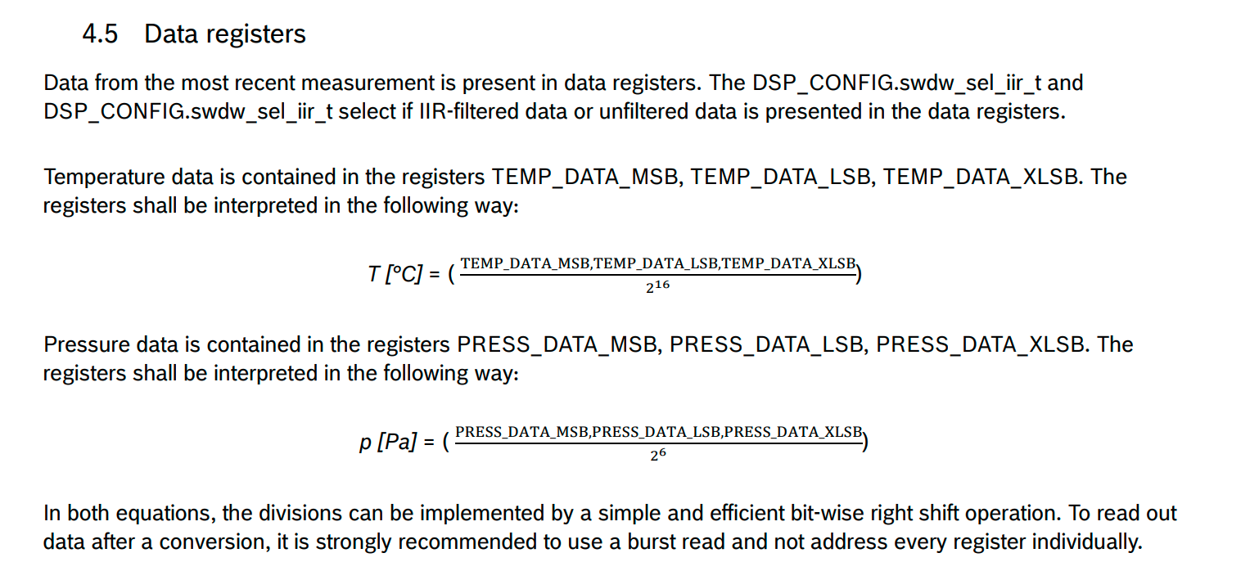

 |  |  | 3

